Home
ESG Data Summary
 | For the full year ended 30 June 2026

Released 24 August 2026

Commitments and performance
Customers
Communities
People

Governance
Material Topics
Climate & Environment
GRI Index
Emissions Methodology
Assurance
Statement
Glossary

 | Bendigo and Adelaide Bank Limited ABN 11 068 049 178

Commitments and performance
Home
Glossary

Commitments and performance

Sustainability Approach | Focus Area | Commitment | Status | FY26 Outcomes

Climate transition1 | BEN 1.5˚C2 | Reduce Commercial Real Estate emissions to 11.86 kgCO2e/m2 (-70%) by 2030 | In progress | FY25: 21.6 kgCO2e/m2 (-44% from baseline)
 |  | Reduce Residential Mortgage emissions to 7.26 kgCO2e/m2 (-59%) by 2030 | In progress | FY25: 15.2 kgCO2e/m2 (-14% from baseline)
 |  | Support Agribusiness customers through climate-related insights, banker capability and engagement with highest emitting customers | In progress | Agribusiness toolkit developed 43% Agribusiness Insights included climate messaging
 |  | No direct lending exposure to coal, coal seam gas, crude oil, natural gas, native forest logging projects3 | Maintained | Policy in place
 |  | Reduce Scope 1 and Scope 2 emissions by 92% by 2030 | In progress | 91.7%
 |  | Maintain 100% renewable energy | Achieved | 100%
 |  | Maintain carbon neutral status | Achieved | In place since 2020

Prosperous communities | Community | Maintain Community Bank investment | Achieved | $51.7m
 | Customer | Achieve 20-point gap when comparing Bendigo Bank’s NPS to the industry average4 | Achieved | BEN: 23 Industry average: 1.2
 |  | At least 75% customer complaints resolved at first point of contact5 | Achieved | BEN: 84.8% Up: 96%

Responsible and ethical business | Belonging at BEN | Gender Diversity: 40:40:20 (40% female, 40% male and 20% any gender representation) across Enterprise, Board, Executive and Senior Leader Group by 20286 | In progress | 3/4 levels on track
 |  | Inclusion Index: Maintain 80% and target year-on-year improvement | Maintained | 81%
 |  | Workforce Representation: Maintain baseline and target year-on-year growth | Below baseline | Refer to People section
 | Reputation | Maintain an average reputation score of 8 points above the Big 4 banks (ANZ, CBA, NAB, WBC)7 | Not achieved | 75.8 6.7 gap at 30 June 2026
 | Social Impact Procurement Strategy | Increase social spend by 4% for FY26 ($20.8m)8 | Not achieved | $15.2m
 |  | Increase spend with Indigenous businesses by 5% for FY26 ($475k)5,8 | Not achieved | $108k
 |  | Increase number of Social Suppliers used in FY26 (37)5,8 | Not achieved | 27

1 All values are market-based unless noted otherwise. All baselines are 2020 values unless noted otherwise. All values are expressed prior to the application of carbon offsets.
2 BEN 1.5˚C is Bendigo Bank’s evolved, data-led climate approach. It uses intensity-based targets aligned with the Paris Agreement and SBTi's 1.5°C pathway, focusing decarbonisation efforts on key sectors: Agriculture, Residential Mortgages, and Commercial Real Estate.
3 This applies to all employees and all other parties acting for or on behalf of the Bank that prepare credit applications and undertake credit decisioning. Annual review of lending portfolio performed with data extracted at 31 December 2025, the review concluded in June 2026. Our Bank does not and will not provide finance directly to projects or large-scale electricity generation in the following sectors: coal; coal seam gas; crude oil; natural gas; native forest logging. This policy excludes petroleum product wholesaling and fuel retailing. For example, we do not provide finance directly to grid-connected fossil fuel electricity generation however, we may provide equipment finance to support a customer’s backup diesel generator.
4 Roy Morgan Net Promoter Score – Roy Morgan Research, 6 month rolling average as at June 26, comparing BEN to the industry average. Industry includes: ANZ, BOM, BOQ, Bank SA, Bankwest, CBA, ING, NAB, St. George, Suncorp & WBC. Net Promoter, Net Promoter System, Net Promoter Score, NPS and the NPS-related emoticons are registered trademarks of Bain & Company, Inc., Fred Reichheld and Satmetrix Systems, Inc
5 New commitments in FY26.
6 For the purposes of the Bank’s Gender Diversity Measurable Objectives and the Bank’s commitment to the HESTA 40:40 Vision, the Bank’s MD & CEO is counted in the Executive figure only. At 30 June 2026, 33.3% of the Executive were female with 59.3% female gender diversity across the Enterprise, 57.1% female gender diversity in the Board and 45% female gender diversity in the Bank’s Senior Leader Group.
7 Reputation is assessed by an external provider, RepTrak, using their methodology. The measure is a comparison of the average for Bendigo against the average of the Big 4 Banks (ANZ, CBA, NAB, WBC) measured quarterly.
8 From a 2025 baseline. Decreases in social procurement spend have been driven by strategic business choices and a focus on reducing costs across the Group

Customers
Home
Glossary

Customers

Customer information | Measurement | 2026 | 2025 | 2024 | 2023 | 2022 | 2021 | 2020
Number of customers1 | # | 2,945,288 | 2,855,970 | 2,574,321 | 2,392,024 | 2,196,903 | 2,028,166 | 1,859,575
Bendigo Bank customer satisfaction2 | % | 88 | 88 | 85.3 | 88 | 86.5 | 87.6 | 89.2
Digitally engaged customers | % | 78 | 77 | 75 | 72 | 68 | - | -
Bendigo Bank digitally engaged customers3 | # | 964,815 | 904,125 | 843,707 | 811,393 | 750,669 | 698,131 | 643,394
Up digitally engaged customers | # | 738,195 | 666,574 | 534,009 | 414,143 | 299,916 | - | -
Ease of Use4 | % | 78.6 | - | - | - | - | - | -
Responsiveness4 | % | 74.0 | - | - | - | - | - | -
Customers supported with hardship5 | # | 6,401 | 4,981 | 2,668 | 1,783 | 2,283 | 23,983 | -

Customer advocacy - external Net Promoter Score (NPS) | Measurement | 2026 | 2025 | 2024 | 2023 | 2022 | 2021 | 2020
Bendigo Bank NPS6,7 | # | 23 | 26.8 | 19.7 | 23.2 | 24.5 | 27.3 | 28.5
Up NPS6 | # | 43.7 | 55.2 | 49 | 51.5 | 72 | 80.3 | -

Branches and ATMs | Measurement | 2026 | 2025 | 2024 | 2023 | 2022 | 2021 | 2020
Total bank branches | # | 412 | 428 | 430 | 433 | 442 | 461 | 474
Bendigo Bank branches | # | 111 | 121 | 122 | 126 | 135 | 147 | 154
Community Bank and private franchise branches8 | # | 301 | 307 | 308 | 307 | 307 | 314 | 320
Number of ATMs9 | # | 397 | 411 | 417 | 432 | 460 | 497 | 548

Customer complaints | Measurement | 2026 | 2025 | 2024 | 2023 | 2022 | 2021 | 2020
Total number of customer complaints10 | # | 91,014 | 59,331 | 51,887 | 51,242 | 43,302 | 38,352 | 30,205
Complaints referred to external dispute resolution body | # | 1,364 | 901 | - | - | - | - | -
Complaints resolved at FPoC4
Bendigo Bank | % | 84.8 | - | - | - | - | - | -
Up | % | 96 | - | - | - | - | - | -

Customer financial wellbeing | Measurement | 2026 | 2025 | 2024 | 2023 | 2022 | 2021 | 2020
Total amount prevented in fraud and scams4 | $m | 58.8 | - | - | - | - | - | -

1 Includes all brands and channels. Brand is defined as a commercial entity with a visual identity (unique logo and/or lock up with the Bendigo Bank logo) trademarked and communicated to customers or other key stakeholders as part of our products and services.
2 Roy Morgan measure, 6 month average at June each financial year.
3 Following the rebranding of Rural Bank and Adelaide Bank to Bendigo Bank and subsequent system consolidations our digitally engaged metric now captures 100% of our Bendigo Bank and Up customer base with the only permanent exclusion being Leveraged and our third party White Label customers.
4 New disclosure for FY26.
5 All brands and channels are included except relationship managed accounts. Data not available for 2020.
6 Roy Morgan Net Promoter Score – Roy Morgan Research, 6 month rolling averages, comparing BEN to the industry average. Industry includes: ANZ, BOM, BOQ, Bank SA, Bankwest, CBA, ING, NAB, St. George, Suncorp & WBC. Net Promoter, Net Promoter System, Net Promoter Score, NPS and the NPS-related emoticons are registered trademarks of Bain & Company, Inc., Fred Reichheld and Satmetrix Systems, Inc.
7 2025 NPS figures were restated following data updates from Roy Morgan (Bendigo Bank NPS revised from 28 to 26.8; industry average from -8.4 to -7.9). Following this update, we continue to meet our public commitment of maintaining a 20-point gap above the industry average.
8 Private franchise branches have been included in totals.
9 Bendigo Bank ATMs only.
10 Covering approx. 94% of the Group customer base including Bendigo Bank and Community Banks. The YoY increase in 2026 was driven by uplifts in complaint capture and management processes, an increase in service-related complaints, and business migration impacts.

Communities
Home
Glossary

Community

Community Investment | Measurement | 2026 | 2025 | 2024 | 2023 | 2022 | 2021 | 2020
Total community investment | $m | 53.3 | 52.4 | 41.2 | - | - | - | -
Community Bank investment (cash contributions)1 | $m | 51.7 | 50.2 | 40.3 | 32.9 | 19.4 | 21.3 | 21.7
Management costs | $m | 1.58 | 2.17 | 0.93 | - | - | - | -
Revenue paid to connected community enterprises2 | $ | 305,678 | 578,778 | 793,936 | 876,007 | 984,000 | 984,407 | 995,672

Community Enterprise Foundation | Measurement | 2026 | 2025 | 2024 | 2023 | 2022 | 2021 | 2020
Bendigo Bank Community Foundation donations received | $m | 32.2 | 29.1 | 35.9 | 54.1 | 16.5 | 13.5 | 58.7
Bendigo Bank Community Foundation grants distributed | $m | 26 | 23.1 | 19.1 | 14.6 | 28.4 | 23.4 | 22.6
Number of scholarship recipients (first year payments)3 | # | 341 | 348 | 288 | 207 | 187 | 177 | 157
Scholarships funded (dollars)3 | $m | 1.7 | 1.1 | 1.43 | 1.1 | 1.08 | 1.05 | 1.07

Social Procurement | Measurement | 2026 | 2025 | 2024 | 2023 | 2022 | 2021 | 2020
Social supplier spend through procurement (dollars) | $m | 15.2 | 19.97 | 10.83 | 4.06 | 1.89 | 1.56 | 1.83

1 2026 figure subject to limited independent assurance by EY. Please refer to the limited assurance statement.
2 The key change YoY to the total income (commission paid) is a direct result of the closure of all Connected Communities except for Bendigo & Geelong on 31 January 2025.
3 Includes Bendigo and Adelaide Bank, Bendigo Bank TAFE, Bendigo Bank Indigenous, and Community Bank Scholarship programs.

People
Home
Glossary

People

Employees | Measurement | 2026 | 2025 | 2024 | 2023 | 2022 | 2021 | 2020
Headcount1,2 | # | 6,920 | 8,061 | 8,208 | 8,113 | 7,936 | 7,823 | 7,947
Bendigo and Adelaide Bank | # | 5,183 | 5,440 | 5,492 | 5,522 | - | - | -
Community Bank | # | 1,526 | 1,637 | 1,666 | 1,565 | - | - | -
Financial FTE1 | # | 4,601 | 4,762 | 4,777 | 4,726 | 4,652 | 4,483 | 4,776

Safety and wellbeing | Measurement | 2026 | 2025 | 2024 | 2023 | 2022 | 2021 | 2020
Employee engagement index | % | 70 | 74 | 77 | 77 | 77 | 73 | 74
Bendigo and Adelaide Bank | % | 68 | 73 | 76 | 76 | - | - | -
Community Bank | % | 74 | 78 | 79 | 81 | - | - | -
Lost time injury frequency rate3,4 | rate | 1.8 | 1.3 | 1.1 | 1.1 | 0.4 | 1.5 | 0.6
Total recordable injury frequency rate4 | rate | 2.0 | 2.0 | - | - | - | - | -
Fatalities | # | 0 | 0 | - | - | - | - | -

Gender diversity4 | Measurement | 2026 | 2025 | 2024 | 2023 | 2022 | 2021 | 2020
Women in leadership roles5 | % female | 55 | 53 | 51 | 50 | - | -
Bendigo and Adelaide Bank | % female | 53 | 51 | 49 | 49 | 46 | 43 | 44
Community Bank | % female | 63 | 59 | 58 | 56 |  | - | -
Gender pay gap (average)6 | % | 21.0 | 25.2 | 22.2 | 23.3 | 23.8 | - | -
Gender pay gap (median)6 | % | 26.0 | 26.6 | 24.5 | - | - | - | -
Gender diversity
Enterprise | % female | 59 | 59 | 59 | 60 | 60 | - | -
Board7 | % female | 50 | 44 | 56 | 44 | 50 | - | -
Executive (KMP and other Executive members) | % female | 33 | 27 | 14 | 14 | 17 | - | -
Senior Leader Group8 | % female | 45 | 41 | 41 | 41 | 37 | - | -

Additional workforce representation and diversity metrics | Measurement | 2026 | 2025 | 2024 | 2023 | 2022 | 2021 | 2020
Inclusion9 | % | 81 | 81 | 82 | 83 | - | - | -
Employees who identify as Aboriginal and/or Torres Strait Islander | % | 1.4 | 1.6 | 1.4 | 1.3 | 0.6 | - | -
Employees who identify as living with disability | % | 7.5 | 13.5 | 14.7 | - | - | - | -
Employees who identify as LGBTIQ+ | % | 6.4 | 5.6 | 7.7 | - | - | - | -
Employees who identify as culturally and linguistically diverse (CALD)10 | % | 15.6 | 17.7 | 14 | - | - | - | -
Employees who identify as carers | % | 38.8 | 15.1 | 17.4 | - | - | - | -
Employees who identify as neurodiverse11 | % | 11.7 | - | - | - | - | - | -

Employee learning | Measurement | 2026 | 2025 | 2024 | 2023 | 2022 | 2021 | 2020
Total leadership program participants12 | # | 61 | 151 | 365 | - | - | - | -
Completions of ESG training | % | 46 | 52 | 53 | - | - | - | -
Average hours of training/headcount13 | # | 50 | 14.5 | 11.3 | - | - | - | -

Turnover | Measurement | 2026 | 2025 | 2024 | 2023 | 2022 | 2021 | 2020
Employee turnover total14 | % | 21.5 | 23.0 | 16.3 | 18.0 | 21.1 | 19.3 | 14.7
Bendigo and Adelaide Bank | % | 19.8 | 15.0 | 14 | 16.3 | - | - | -
Community Bank | % | 26.9 | 26.0 | 23.7 | 23.9 | - | - | -
Employee turnover voluntary14 | % | 15.5 | 14.8 | 11.7 | 15.2 | 17.1 | 12.9 | 11.0
Bendigo and Adelaide Bank | % | 13.4 | 8.2 | 10.1 | 13.2 | - | - | -
Community Bank | % | 22.5 | 9.4 | 17.0 | 22.5 | - | - | -
Employee turnover involuntary14 | % | 5.9 | 1.9 | 2.2 | 2.8 | 4.0 | 6.4 | 3.8
Bendigo and Adelaide Bank | % | 6.3 | 2.5 | 2.5 | 3.1 | - | - | -
Community Bank | % | 4.4 | 0.9 | 1.3 | 1.5 | - | - | -

1 Total includes employees of controlled and non-controlled entities and contractors. Bendigo and Adelaide Bank includes Bendigo and Adelaide Bank and BEN RV (stands for Bendigo and Adelaide Bank Regional Victoria, which represents our other Victorian-based operating entity) employees. Community Bank includes Community Bank & Community Bank admin employees. Agents/Online Agents and directors included in previous figures and are excluded from 2023.
2 Changes in YoY FY26 Headcount reflects planned business changes and a reduction in contractors at the Bank. The FY26 Headcount includes contractors, but does not include the Bank's Strategic Partners, professional services and consultants. Prior to FY26, contractors, professional services and consultants with access to the Bank's systems were also counted in the Bank's Headcount.
3 2026 figure is for the quarter ending March 2026. The figure is slightly increased at 1.8 with three lost time claims accepted during the quarter. The LTIFR continues to exceed the SafeWork Australia sector benchmark of 1, which remains an appropriate reference point for performance comparison.
4 FTE used for the LTIFR and TRIFR calculation includes Bendigo and Adelaide Bank employees and is different from the Financial FTE metric. The FTE used excludes Contractors, Directors, Community Bank employees, Community Bank Admin employees & Agents.
5 Aligned to our WGEA reporting. Data includes individuals on parental leave, however, does not include vacancies. Agents & Directors excluded.
6 Data based on the Workplace Gender Equality Report 2025-26.
7 From 2023 the Bank’s CEO & MD has been counted in the Board cohort. The Bank’s CEO & MD was not counted in the 2022 Board cohort.
8 Includes the Bank’s CEO & MD, Key Management Personnel, and Other Executives/ General Managers.
9 Based on SPARK 2026 (March) Survey.
10 Based on Country of Birth. 2025 CALD figure previously reported as 18.3% has been recalculated for consistency with current methodology, with no material impact on reported results.
11 New disclosure for FY26.
12 Previously called 'Total Leadership Program Completions'. The Lead BEN Program, Lead BEN Guided Program and Lead BEN Masterclasses were not offered in FY26.
13 Includes all Bendigo Bank and Community Bank employees. 2026 figure YoY growth in learning hours is driven by the launch of key system roll outs namely People Hub, Gemini AI Academy, and the BEN Complaint Management portal, as well as the ongoing focus on strategic initiatives on Data & AI literacy and Risk Management frameworks uplift.
14 In 2024 the methodology was updated to account for turnover that does not meet the criteria of the voluntary and involuntary categories. From 2026, the calculation was revised to exclude transfers between entities within the BEN enterprise (e.g., between Community Bank and Corporate roles), which were previously counted as exits.

Governance
Home
Glossary

Governance

Mandatory training | Measurement | 2026 | 2025 | 2024 | 2023 | 2022 | 2021 | 2020
Mandatory training completions1 | % | 97.8 | 99.2 | 99.1 | 99.0 | 99.6 | 96.0 | 94.5
Bendigo and Adelaide Bank employees | % | 98.2 | 99.6 | 99.6 | 99.7 | - | - | -
Community Bank employees | % | 96.7 | 99.7 | 99.4 | 99.0 | - | - | -

Whistleblower cases2 | Measurement | 2026 |  |  |  | 2025 |  |  |  | 2024 |  |  |  | 2023 |  |  |  | 2022 | 2021 | 2020
Report categories2 | # | Open cases | Not Substantiated | Substantiated | Total | Open cases | Not Substantiated | Substantiated | Total | Open cases | Not Substantiated | Substantiated | Total | Open cases | Not Substantiated | Substantiated | Total | - | - | -
Abuse of influence | # | 1 | 1 | 2 | 4 | 1 | 2 | - | 3 | - | 2 | - | 2 | - | - | - | - | - | - | -
Bullying3 | # | - | 7 | 2 | 9 | 1 | 5 | 3 | 9 | 3 | 16 | 3 | 22 | 0 | 3 | 2 | 5 | - | - | -
Conflict of Interest4 | # | 1 | 3 | 1 | 5 | - | 1 | - | 1 | - | 1 | - | 1 | 0 | 3 | 0 | 3 | - | - | -
Fraud4,5 | # | - | 4 | - | 4 | - | 1 | - | 1 | - | - | 1 | 1 | - | - | - | - | - | - | -
Harassment | # | - | - | - | - | - | 3 | - | 3 | - | 3 | - | 3 | 0 | 1 | 0 | 1 | - | - | -
Misconduct | # | - | 3 | 4 | 7 | - | 2 | 3 | 5 | - | 3 | 1 | 4 | - | - | - | - | - | - | -
Other | # | 1 | 5 | 1 | 7 | 2 | 4 | 2 | 8 | - | 2 | 1 | 3 | 0 | 1 | 0 | 1 | - | - | -
Policy/Procedure | # | 5 | 4 | 3 | 12 | - | 5 | 1 | 6 | 1 | 6 | 2 | 9 | 0 | 3 | 1 | 4 | - | - | -
Workplace Grievance | # | - | 1 | - | 1 | - | 2 | - | 2 | - | 1 | - | 1 | - | - | - | - | - | - | -
Total | # | 8 | 28 | 13 | 49 | 4 | 25 | 9 | 38 | 4 | 34 | 8 | 46 | - | 13 | 4 | 17 | 18 | 24 | 21

1 Percentage of employees who have completed all mandatory learning before the required due date.
2 Includes Bendigo and Adelaide Bank concerns lodged through our anonymous concerns service or received by eligible recipients. The table includes the categorisation of concerns, as logged in our anonymous concerns portal, in addition to the total number of cases reported.
3 2 cases closed due to insufficient information.
4 1 case closed due to insufficient informaiton.
5 The 'Fraud' category was previously named 'False Documentation'. The methodology for calculating this metric remains consistent with prior periods.

Climate & environment
Home
Glossary

Climate & Environment

Emissions (market based)1 | Measurement | 2026 | 2025 | 2024 | 2023 | 2022 | 2021 | 2020
Scope 12,3 | tCo2-e | 1,123 | 960 | 1,262 | 1,390 | 1,363 | 1,466 | 2,483
Scope 22 | tCo2-e | 0 | 0 | 699 | 5,012 | 5,128 | 7,251 | 11,036
Scope 3 operational2,4 | tCo2-e | 30,295 | 33,265 | 29,163 | 27,861 | 16,067 | 18,705 | 24,737
Total operational emissions | tCo2-e | 31,418 | 34,225 | 31,125 | 34,263 | 22,558 | 27,422 | 38,257
Total Scope 1 & Scope 2 | tCo2-e | 1,123 | 960 | 1,961 | 6,402 | 6,491 | 8,717 | 13,520
Scope 1 and 2 emissions/FTE | tCo2-e | 0.24 | 0.20 | 0.41 | 1.35 | 1.40 | 1.94 | 2.83
Scope 1 and 2 emissions/$m total income5 | tCo2-e | 0.55 | 0.49 | 1.00 | 3.33 | 3.83 | 4.83 | 8.27

Emissions (location based)1 | Measurement | 2026 | 2025 | 2024 | 2023 | 2022 | 2021 | 2020
Scope 12,3 | tCo2-e | 1,123 | 960 | 1,262 | 1,390 | 1,363 | 1,466 | 2,483
Scope 22 | tCo2-e | 5,984 | 6,389 | 6,622 | 7,531 | 9,181 | 9,627 | 12,203
Scope 3 operational4 | tCo2-e | 30,663 | 33,794 | 29,949 | 28,251 | 16,593 | 19,209 | 25,547
Total operational emissions | tCo2-e | 37,770 | 41,143 | 37,833 | 37,173 | 27,137 | 30,302 | 40,234
Total Scope 1 & Scope 2 | tCo2-e | 7,107 | 7,349 | 7,884 | 8,922 | 10,543 | 11,093 | 14,686
Scope 1 and 2 emissions/FTE | tCo2-e | 2.00 | 1.54 | 1.65 | 1.89 | 2.27 | 2.47 | 3.08
Scope 1 and 2 emissions/$m total income5 | tCo2-e | 3.47 | 3.78 | 4.03 | 4.65 | 6.22 | 6.14 | 8.99

Scope 3 financed emissions6 | Measurement |  | 2025 | 2024 | 2023 | 2022 | 2021 | 2020
Residential mortgages2,7 | tCo2-e |  | 518,111 | 473,151 | 451,168 | 563,206 | 570,623 | 521,056
Commercial real estate2,7 | tCo2-e |  | 19,885 | 35,864 | 40,124 | 49,194 | 59,115 | 60,174
Business loans2 | tCo2-e |  | 2,008,142 | 2,144,362 | 1,904,243 | 1,977,011 | 2,247,161 | 2,274,415
Motor vehicle loans8 | tCo2-e |  | - | - | 3,919 | 6,505 | 6,102 | 20,045
Corporate bonds2 | tCo2-e |  | 2 | 5 | 6 | 12 | 108 | 270
Total financed emissions | tCo2-e |  | 2,546,140 | 2,653,382 | 2,399,460 | 2,595,928 | 2,883,109 | 2,875,960

Renewable electricity | Measurement | 2026 | 2025 | 2024 | 2023 | 2022 | 2021 | 2020
Total renewable electricity | % | 58 | 74 | 68 | 33 | 40 | 30 | 19
Bendigo and Adelaide Bank | % | 100 | 100 | 91 | 40 | - | - | -
Community Bank | % | 16 | 20 | 21 | 21 | - | - | -

Carbon neutrality9 | Measurement |  | 2025 | 2024 | 2023 | 2022 | 2021 | 2020
Carbon neutral2,10 | n/a |  | Achieved | Achieved | Achieved | Achieved | Achieved | Achieved

1 In 2024 the Bank has updated emissions calculations so that Community Banks are now included as Scope 3 Category 14 (franchises) rather than Scope 1 & 2.
2 2026 figure subject to limited independent assurance by EY. Please refer to the limited assurance statement.
3 In 2024 and 2025, refrigerant emissions were excluded due to data limitations. For 2026, emissions have been re-included using a proxy-based estimation methodology consistent with the GHG Protocol..
4 Scope 3 (category 14) - franchises includes CBs only, excludes agencies. From 2026, emissions from leased assets have been reclassified from Category 3 (Fuel- and energy-related activities) to Category 8 (Upstream leased assets), and hotel accommodation emissions have been moved to Category 6 (Business travel) from Category 1 (Purchased goods and services) with reference to the GHG Protocol..
5 The Group's total income per Income Statement is used to calculate this metric.
6 The Bank reports our financed emissions a year behind our other financial and climate-related metrics. As a result, this disclosure will report the Bank’s financed emissions from 1 July 2024 – 30 June 2025.
7 For calculating financed emissions for the Residential Mortgage and Commercial Real Estate portfolios, the Bank uses the Current Loan-to-Value Ratio (CLVR) to determine the attribution factor. This approach is taken due to historical data limitations which prevent the use of property value at origination, as prescribed by PCAF. The use of CLVR is consistent with the Bank's historical calculations, including the 2020 baseline, ensuring year-on-year comparability of our performance. The Bank plans to source property value at origination data in FY27 to further align with PCAF standards.
8 Motor vehicle loans have been removed from financed emissions calculations from 2024 as they are immaterial. We will continue to monitor their materiality.
9 Bendigo Bank’s approach to carbon neutrality means we are working to achieve net-zero greenhouse gas emissions by reducing our operational market-based emissions, excluding financed emissions, across all scopes (Scope 1, Scope 2, and Scope 3 operational emissions for categories 1, 2, 3, 5, 6, 7, 8 and 14) and offsetting remaining emissions with verified carbon projects using our Carbon Offset Evaluation Framework. Carbon neutrality is reported one year in lag. Our public commitments detail specific reduction targets and timelines.
10 Following our withdrawal from the Climate Active program, the Climate Active certification is no longer applicable from FY25 onwards. The final certification for FY23-24 period can be viewed here.

Emissions Methodology
Home

GHG Emissions Calculation Methodologies
Our measurement approach for operational emissions is based on the principle of operational control, in line with the National Greenhouse and Energy Reporting Scheme and the GHG Protocol Corporate Standard. This means we quantify emissions from all identified sources within our operational control, utilising direct measurement where possible and recognised estimation methodologies to ensure a complete inventory. Emissions are calculated by applying relevant emission factors to activity data. The primary inputs for these calculations include data from utility invoices (for electricity and gas), expense reports (for fuel and travel), and waste and water consumption reports. Where direct measurement is not possible, we use data from building management, landlords, and established estimation methodologies based on inputs such as Full-Time Equivalent staff numbers or building size. The specific emission factors are sourced from government publications, such as the National Greenhouse Accounts Factors, and the Climate Active program. The Bank has chosen this approach as it provides a transparent and consistent method for quantifying our emissions that aligns with both Australian regulatory requirements and global best-practice standards. There were no changes to the measurement approach during the current reporting period unless otherwise stated.

The following tables outline the methodologies used for calculating our GHG emissions.

Disclaimer
This ESG Data Summary summarises progress of the Bendigo Bank Group against key ESG metrics for financial year 2026. This Summary accompanies our Sustainability Report (Climate Disclosure) and is a part of our suite of Annual Reporting documents. This Summary covers data of the wholly owned and operating entities of the Group as well as the private franchise Community Bank branches unless otherwise stated. Any reasonable limitations in the data are noted in the Summary. EY has given limited assurance over the contents of this ESG Data Summary as set out in their opinions located in the Sustainability Report (Climate Disclosure) and 'Assurance Statements' section of this document.

Scope 1
Emission category | Activity | Data sources |  | Boundary | Methodology* | Additional notes
Fleet | Business related travel | Internal: Fleet expense reporting. | External: Department of Climate Change, Energy, the Environment, and Water, National Greenhouse Accounts Factors 2025. | Bendigo Bank only. | Emissions are calculated by multiplying reported fuel usage with the relevant emission factor. The total is then adjusted to remove any reported personal use of the vehicle which is collected via logbooks. | Methodology is based on the Greenhouse Gas Protocol: A Corporate Accounting and Reporting Standard. Low measurement uncertainty.
Stationary combustion | Natural gas usage in branches and office buildings | Internal: Utility invoices. | External: Department of Climate Change, Energy, the Environment, and Water, National Greenhouse Accounts Factors 2025. | Bendigo Bank only. | Emissions calculated by multiplying reporting natural gas usage with the relevant emission factor. Where actual data is unavailable (often due to invoice periods), a pro-rated amount is used. | Methodology is based on the Greenhouse Gas Protocol: A Corporate Accounting and Reporting Standard. Low measurement uncertainty.
Fugitive emissions (refrigerants) | Leakage of gases relating to heating and cooling of branches | Internal: Corporate office listing (used to identify assets). | External: Default refrigerant charge estimations and Global Warming Potential (GWP) factors are sourced from Australian Government publications (Department of Climate Change, Energy, the Environment and Water, National Greenhouse and Energy Reporting (NGER) Regulations). | Bendigo Bank only. | Emissions are estimated based on refrigerant charge size and assumed annual leakage rates. Leakage estimates are aggregated across relevant assets and converted to CO2e using applicable factors. The estimate assumes 1 AC unit (~5.0 kg charge) and 1 refrigerator (~0.2 kg charge) per site, applying a standard 10% annual leakage rate and the GWP factor for R-410A. | Emissions are 100% estimated as servicing and recharge records are not available for all assets. Typical refrigerant charge sizes are applied based on equipment type. Annual leakage rates are estimated using industry benchmarks and asset characteristics. This complete reliance on assumptions regarding refrigerant charge size and leak rates results in a high degree of measurement uncertainty.

Scope 2 Location based (LB)
Emission category | Activity | Data sources |  | Boundary | Methodology* | Additional notes
Purchased electricity | Electricity consumption | Internal: Utility invoices and Electric Vehicle (EV) charge claim reporting. | External: State-specific grid emission factors from Department of Climate Change, Energy, the Environment, and Water, National Greenhouse Accounts Factors 2025. | Bendigo Bank only. | Utility invoices provide the activity data for our physical electricity usage. Where actual data is unavailable (often due to invoice periods), a pro-rated amount is used. To calculate these emissions, we apply state-specific grid emission factors from Department of Climate Change, Energy, the Environment, and Water to the total electricity consumed at each site, reflecting the average carbon intensity of the local electricity grids. | Methodology is based on the Greenhouse Gas Protocol: A Corporate Accounting and Reporting Standard. Low measurement uncertainty.

Scope 2 Market based (MB)
Emission category | Activity | Data sources |  | Boundary | Methodology* | Additional notes
Purchased electricity | Electricity consumption | Internal: Utility invoices, EV charge claim reporting and large-scale generation certificates (LGCs). | External: National Residual Mix Factors (RMF) from Department of Climate Change, Energy, the Environment, and Water 2025, ACT-specific emissions factors (JRRP), and grid renewable energy percentages from the Clean Energy Regulator (CER) 2025/26. | Bendigo Bank only. | Utility invoices provide the activity data for our physical electricity usage. Where actual data is unavailable (often due to invoice periods), a pro-rated amount is used.To calculate these emissions under the market-based method, we adjust our consumption for purchased GreenPower and retired Large-scale Generation Certificates (LGCs), applying Department of Climate Change, Energy, the Environment, and Water's Residual Mix Factors and the Clean Energy Regulator grid renewable percentages to any remaining grid-purchased electricity, with the ACT government's JRRP factor applied specifically to our ACT sites. | Methodology is based on the Greenhouse Gas Protocol: A Corporate Accounting and Reporting Standard. Low measurement uncertainty.

Scope 3 Operational
Emission category | Activity | Data sources |  | Boundary | Methodology | Additional notes
1 – Purchased goods and services | • Water • Purchased goods and services | Internal: Utility invoices, building consumption reports, general ledger and expense reports. Proxy data (based on Full-Time-Employee) is used for water where real data is unavailable. | External: National Australian Built Environment Rating System (NABERS) ratings and IELab, provided by FootprintLab. Scope 3 GHG emissions intensities (kgCO2-e/$ purchaser's price), using 2022 emissions and economic data. | Bendigo Bank only. | Water usage is estimated annually based on real data for each Bendigo Bank Branch and Office. This data is sourced from utility usage reports, base building data and NABERS. Proxy data is used where real data cannot be sourced (proxy is based on FTE size). Climate Active Emissions Factor applied to KL of water consumed. Purchased goods and services are calculated by using spend-based expense reporting and supplier specific emissions where available. Where unavailable relevant emission factors have been applied based on spend. | Scope 3 aligned to BEN’s own criteria with reference to GHG Protocol.
2 – Capital goods | Office furniture | Internal: General ledger data. | External: IELab, provided by FootprintLab. Scope 3 GHG emissions intensities (kgCO2-e/$ purchaser's price), using 2022 emissions and economic data. | Bendigo Bank only. | Total office furniture cost multiplied against relevant emission factors. | Scope 3 aligned to BEN’s own criteria with reference to GHG Protocol.
3 – Energy consumption | • Work from home (WFH) emissions • Third-party transport fuels | Internal: Full-Time-Employee (FTE) reporting used to generate WFH estimates, and fuel usage expense reports. | External: Climate Active WFH tool, National Greenhouse Accounts Factors 2024. | Bendigo Bank only. | WFH emissions are estimated annually based on the number of FTE coming into the office and % of Bendigo Bank staff who have taken up the Green Power deal. Third-party transport fuel calculations utilise fuel usage captured by expense reports. The relevant emission factors is applied to these activities. | Scope 3 aligned to BEN’s own criteria with reference to GHG Protocol.
5 – Waste generated in operations | Landfill recycling | Internal: Base building waste data (where available). Where unavailable, waste is estimated using proxy data based on FTE size. | External: Department of Climate Change, Energy, the Environment, and Water, National Greenhouse Accounts Factors 2025. | Bendigo Bank only. | Waste is estimated annually. Proxy data is used where real data cannot be sourced (proxy is based on FTE size). Relevant emission factors applied. | Scope 3 aligned to BEN’s own criteria with reference to GHG Protocol.
6 – Business travel | • Hotel accommodation • Airline travel • Taxi and ride-share services • Public transport • Private vehicle usage, rental vehicle usage and motor vehicle allowance | Internal: General ledger data. | External: Platinum reporting, Uber corporate account, Cornell Hotel Sustainability Benchmarking Index 2024, Rooms Footprint Per Occupied Room (M1), median, IELab, provided by FootprintLab. Scope 3 GHG emissions intensities (kgCO2-e/$ purchaser's price), using 2023 emissions and economic data, Department of Climate Change, Energy, the Environment, and Water, National Greenhouse Accounts Factors 2025, UK Department for Energy Security & Net Zero and Department for Environment Food & Rural Affairs, Greenhouse gas reporting: conversion factors 2025. | Bendigo Bank only. | Hotel accommodation Expense reports summarise location and duration of hotel accommodation. Relevant emission factors are applied where available. When unavailable, an average emission factors is applied. Airline travel emissions are calculated using the length of the flight and the corresponding emission factor. Taxi, ride-share services and other transports emissions are calculated by multiplying the distance travelled in expense reporting with the relevant emission factor for the mode of transport. Where distance is unavailable, total spend is used instead. Private vehicle usage, rental vehicle usage and motor vehicle allowance are calculated based on reported fuel usage. | Scope 3 aligned to BEN’s own criteria with reference to GHG Protocol.
7 – Commute | Employee commuting | Internal: Employee survey results and FTE data. | External: Climate Active Activity Data Calculator, Australian Bureau of Statistics (ABS) commute data, Climate Active emission factors, UK Department for Energy Security & Net Zero and Department for Environment Food & Rural Affairs, Greenhouse gas reporting: conversion factors 2025. | Bendigo Bank and Community Bank employees. | An employee survey was completed in 2022 to capture how people commuted to work. These findings were averaged across the Bank’s 2026 FTE and had the relevant mode of transport emission factors applied. | Scope 3 aligned to BEN’s own criteria with reference to GHG Protocol.
8 - Upstream Leased Assets | • Upstream emissions from electricity • Base building electricity • Upstream emissions from natural gas | Internal: Utility invoices. For base building emissions where direct data is unavailable, estimates are generated using proxies based on building size and net leased area. | External: NABERS Building reports, National Greenhouse Accounts Factors 2024, National Residual Mix Factors (RMF) from Department of Climate Change, Energy, the Environment, and Water 2025, and grid renewable energy percentages from the Clean Energy Regulator (CER) 2025/26. | Bendigo Bank only. | Upstream emissions from electricity and gas usage is calculated using utility invoices. Base building emissions are estimated annually through engagement with site managers and NABERS data. Where data is unavailable, proxies are used based on building size and net leased area. | Scope 3 aligned to BEN’s own criteria with reference to GHG Protocol.
14 – Franchise | Community Banks | Internal: Utility invoices. | External: NGER reports. UK Department for Energy Security & Net Zero and Department for Environment Food & Rural Affairs, Greenhouse gas reporting: conversion factors 2025. | Community Banks only. | Emissions are calculated using reported fuel usage and relevant emission factors. Utility reports detail natural gas usage and electricity usage and sites where GreenPower (renewables) have been purchased. State-based emission factors are applied to electricity usage to calculate emissions. Where data gaps exist, proxy data and estimations are used. | Scope 3 aligned to BEN’s own criteria with reference to GHG Protocol.

Scope 3 Financed
Financed emissions are represented as the proportion of the Bank’s loans and investments relative to the gross greenhouse gas emissions the Bank has for each of its counterparty’s loans and investments. We report on these because providing capital makes us a part of the emissions value chain. We report the emissions one year in lag. The Bank does not disclose project finance or on-balance sheet listed equity due to zero exposure since our 2020 baseline. Unlisted equity also remains excluded as it is immaterial and overlaps with our operational emissions. We acknowledge PCAF’s December 2025 updated guidance on sub-sovereign debt, securitisation, and structured products, and will assess the materiality of these asset classes for future reporting. We recognise that PCAF standards and data availability will continue to evolve and will stay abreast of these developments to continually improve our financed emissions reporting.
Emission category | Activity | Data sources |  | Boundary | Methodology* | Additional notes
15 – Financed emissions | Business Loans | Internal: Bank lending platforms. Where asset and revenue data is unavailable, financed emissions are scaled up proportionally to account for the data gap. | External: National Greenhouse Accounts Factors 2023 sector-based emission estimates, National Greenhouse Accounts Factors Paris Agreement inventory commodity emissions and ABS Commodity value. | PCAF Quality Score: 5 The data quality score for business loans is 5, as per the Partnership for Carbon Accounting Financials (PCAF) framework. This score reflects that calculations are based on estimated data. The boundary for this category includes 100% of the Bank's on-balance sheet loans, which sit across three sub-categories: (1) Small to Medium Enterprise (SME) loans, (2) Corporate loans: other long-term debt, and (3) Corporate loans: short-term debt. Business loan data are captured by purpose. All equipment finance, commercial real estate, and personal lines of credit are excluded from this category to avoid double-counting with other asset class calculations. | Sector-based average emissions per $1 million of revenue were determined using sector-based income data from the Australian Bureau of Statistics (ABS) and sector-based emissions data from the Network for Greening the Financial System (National Greenhouse Accounts Factors). The Bank has adopted a conservative approach by using an attribution factor of Bank Exposure / Customer Assets. This is a deviation from the standard PCAF methodology [Attribution Factor = Outstanding Amount / Total Assets] and is intended to provide a more conservative estimate of financed emissions. The Bank will seek to align with the standard PCAF methodology in future reporting periods. Typically, the assets and revenue of each exposure are based upon the most recent financial reporting attained from the customer, which may not always correspond with the reporting year used by the Bank. For the current reporting period, however, ongoing system migration activities impacted the reliability of total assets and revenue data. To maintain the integrity and accuracy of our emissions calculations, FY24 financial data was applied as a proxy for these specific exposures. Additionally, this data is unavailable for Retail SME customers. To account for the unavailable data related to Retail SME customers, the portion of the Bank's financed emissions where assets and revenue were available was scaled up to account for the gap. This meant business loan emissions were scaled up from 1,824,252 tCO2e to 2,008,142 tCO2e. | For some of our agriculture lending (beef, dairy, pigs, crops and sheep), commodity-specific emission factors were applied to enable a greater level of granularity for these more emission intensive activities. The emission factor for each commodity was found by dividing the commodity emissions (sourced from National Greenhouse Accounts Factors Paris Agreement inventory) by the value of each commodity in Australia (sourced from ABS). Other agricultural lending that is not included in the above categories had a total Agriculture, Forestry and Fishing sector emission factor applied. When there was a mixed category, the more emissions intensive category emission factor is applied as a conservative approach. For example, for mixed beef and cropping ANZSIC codes, the beef emission factor is applied. In line with the FY25 reporting year methodology update, the emission factor applied to crops for FY26 reporting year continues to include direct soil emissions from inorganic fertilisers.
 | Residential Mortgages | Internal: Bank lending platforms. | External: National Greenhouse Accounts Factors: 2024, CER electricity and gas usage and ABS average household size. | PCAF Quality Score: 5 The data quality score for Residential Mortgages is 5, as per the PCAF framework. This score reflects that calculations are based on estimated data. Scope 1 and 2 emissions calculated for all on-balance sheet loans including individual homes and multi-family housing with a small number of units have been included. Home equity loans (HELs) and home equity lines of credit (HELOCs) are not included. Mortgages used to construct or renovate a house are not included as the homeowner does not directly account for construction emissions. | Climate zone-based electricity and gas usage was sourced from the Clean Energy Regulator and applied at a postcode level. The average size of a household (data from the ABS) and the number of buildings was then applied to estimate the average usage per postcode. State-based electricity and gas emission factors were sourced from National Greenhouse Accounts Factors and applied to the calculation to find electricity and gas emissions per postcode. The current loan-to-value ratio (LVR) was then applied to the calculation to find Bendigo Bank’s attributable residential mortgages financed emissions. The year-on-year movement in emissions intensity reflects continuous enhancements through uplifted methodology and improved data. The key drivers include: 1. Updated attribution assumptions (current LVR), 2. Revised floor area estimation methodologies, 3. Increased granularity of dwelling segmentation, 4. Updated external reference datasets. | While the overall emissions boundary remains unchanged, we have improved methodological precision and data granularity. Key enhancements include updated loan attribution logic (using current LVR), refined property and floor area assumptions, and the integration of updated external reference datasets.
 | Commercial Real Estate (CRE) | Internal: Bank lending platforms. | External: Department of Climate Change, Energy, the Environment, and Water Commercial Building Baseline Study – FY24/25 Update and National Greenhouse Accounts Factors 2024. | PCAF Quality Score: 5 The data quality score for CRE is 5, as per the PCAF framework. This score reflects that calculations are based on estimated data. Scope 1 and 2 emissions calculated for all balance sheet loans. This asset class includes on-balance sheet loans for specific corporate purposes, namely the purchase and refinance of CRE, and on-balance sheet investments in CRE when the financial institution has no operational control over the property. The Bank’s exposure is captured by loans for the purpose of commercial real estate in line with the APRA Reporting Form for Commercial Property (ARF230) Return. | Bendigo Bank’s CRE exposures and securities data is collated directly from our internal lending platforms. Our financed emissions are then attributed by integrating our internal asset and loan descriptions with publicly available government datasets. Specifically, relevant metrics such as building counts, gross floor area, and average greenhouse gas (GHG) intensity are sourced from the Department of Climate Change, Energy, the Environment, and Water Commercial Buildings Baseline Study and mapped to our portfolio data to estimate emissions for each commercial asset class. | During the reporting period, we enhanced data quality, traceability, and methodological accuracy for commercial real estate. Key improvements include updated reference datasets, refined data processing logic, and more precise property categorization, resulting in a more robust overall attribution methodology.
 | Corporate Bonds | Internal: Bank treasury platform. | External: Annual reports. | PCAF Quality Score: 1a./b This score reflects that calculations are based on reported Scope 1 and 2 emissions disclosed by bond issuers. 100% of other bank bonds, held for liquidity purposes, were included. From 2023, the emissions from corporate bonds have been calculated using reported Scope 1 and 2 emissions from the bank bonds in our portfolio. | The financed emissions for corporate bonds were calculated using the reported Scope 1 and 2 emissions disclosed by the bond issuers in their annual or verified reports. To attribute a portion of the issuer's emissions to the Bank's holding, an attribution factor was calculated. This factor is the market value of the bonds held by the Bank, divided by the issuer's Enterprise Value Including Cash (EVIC). The EVIC for each issuer was sourced from their verified annual reporting. The final attributed emissions figure is therefore calculated for 100% of the corporate bonds in the portfolio. | From 2020 – 2022, the emissions from corporate bonds were calculated using a mixture of verified and unverified Scope 1 and 2 emissions from the bank bonds in the Bank’s portfolio which correspond to data quality Score 1 and Score 2, respectively. Reported emissions were obtained for the issuer of 100% of the bonds.

* Methodology alignment to GHG protocol

Glossary
Home

Glossary
All data is at 30 June 2026 unless otherwise specified

Indicator or term | Definition | Material topics |  | SDGs
Average hours of training/employee | Average learning hours includes all hours captured in the BEN Learning Management System. This includes formal training and self-directed learning through BEN U and LinkedIn Learning. | Employee engagement and wellbeing
BEN 1.5oC | BEN 1.5˚C is the approach we will take to play our part in a 1.5˚C world. It is Board-approved, aligned to the Paris Agreement and SBTi with intensity-based targets for our most material sectors. | Climate change | Community prosperity
Bendigo Bank Bank branches | Includes all Bendigo Bank branches and customer service points. Excludes Community Banks, private franchises and Business Centres. Number at 30 June 2026. | Customer experience and wellbeing | Community prosperity
Bendigo Bank Community Foundation donations received | Includes donations into tax deductable fund and contributions into the tax concessional charity fund. Bendigo Bank Community Foundation administers three charitable trusts and undertakes other activities on behalf of Bendigo Bank Bank and other entities. | Community prosperity | Customer experience and wellbeing
Bendigo Bank Community Foundation grants distributed | Includes grants to charitable and not for profit organisations across Australia. Bendigo Bank Community Foundation administers three charitable trusts and undertakes other activities on behalf of Bendigo Bank Bank and other entities. | Community prosperity | Customer experience and wellbeing
Bendigo Bank customer satisfaction | Roy Morgan measure, 6 month average at June each financial year. | Customer experience and wellbeing
Bendigo Bank digitally engaged customers | Number of Bendigo Bank customers that have logged into ebanking within the last 90 days. | Customer experience and wellbeing | Financial crime risk
Bendigo Bank NPS | Net promoter score (NPS) is a customer loyalty and advocacy measurement, taken from asking customers how likely they are to recommend your product or service to others on a scale of 0 to 10. This is a rolling 6 monthly average score. | Customer experience and wellbeing
Business loans and unlisted equity | Includes 100% of the Bank’s on-balance sheet business loans, which are captured by purpose and categorized across three distinct sub-categories: (1) SME loans, (2) Corporate loans: other long-term debt, and (3) Corporate loans: short-term debt. To ensure reporting integrity and prevent double counting, this specific asset class excludes all equipment finance, commercial real estate (CRE), and personal lines of credit, which are captured and calculated separately under their respective asset class methodologies. See 'Emissions Methodology' tab for further detail. | Climate change | Community prosperity
Carbon neutral / neutrality | Bendigo Bank's approach to carbon neutrality means we are working to achieve net-zero greenhouse gas emissions by reducing our operational market-based emissions (which excludes financed emissions) across all scopes (Scope 1, Scope 2, and Scope 3 operational emissions for categories 1, 2, 3, 5, 6, 7, 8, and 14) and offsetting remaining emissions with verified carbon projects using our Carbon Offset Evaluation Framework. The retirement of carbon offsets may include the carry forward of surplus credits from prior year and the use of offsets retired subsequent to year-end to facilitate the application of the appropriate quantity of offsets to the reporting period. Offsets applied to the FY25 have not been claimed against any other reporting period. Carbon neutrality is reported one year in lag. Our public commitments detail specific reduction targets and timelines. | Climate change | Community prosperity
Commercial real estate | Scope 1 and 2 emissions are calculated for on-balance sheet loans and investments in commercial real estate (CRE) where the Bank has no operational control. See 'Emissions Methodology' tab for further detail. | Climate change | Community prosperity
Community Bank and Private Franchise branches | Includes all Community Bank (including cashless sites and customer services centres) and private franchise sites. Number as at 30 June 2026. | Customer experience and wellbeing | Community prosperity
Community Bank investment (cash contributions) | Community Bank companies are independent, unlisted public companies that operate a Bendigo Bank franchise agreement. The franchise agreement entitles the Community Bank company to earn revenue generated from customers domiciled to their branch. This revenue is used to pay for the operating costs of the branch along with optional contributions to their communities. A portion of the profits derived from revenue can be returned to their shareholders via dividends. The decision on how much is spent and where the funds are directed is made by the individual Boards of the Community Bank companies and is discretionary. There is no obligation under the franchise agreement for a Community Bank company to make any contributions. Community Bank investment captures the collective Community Bank expenditure on a wide range of local community initiatives and activities. Community Contributions range in dollar value from small to large sponsorships of local sporting groups, grants to individuals and/or community groups, to significant funding to groups that run community initiatives, such as the provision of housing for domestic violence victims. | Community prosperity | Customer experience and wellbeing
Complaints referred to external dispute resolution body | The total number of complaints made to the Australian Financial Complaints Authority (AFCA) by customers of the Bank, including all its subsidiaries. Includes Bendigo Bank, Community Banks and Up. | Customer experience and wellbeing
Complaints resolved at first point of contact (FPoC) | Measures the percentage of complaints resolved at First Point of Contact (FPoC) as described by the FPoC methodology, without escalation to Customer Resolution. Includes Bendigo Bank, including all its subsidiaries and Up. | Customer experience and wellbeing
Completions of ESG training | Percentage of employees who completed the voluntary ESG training module. Includes Bendigo Bank Bank and Community Bank employees. | Employee engagement and wellbeing | Community prosperity
Customer complaints | The total number of complaints made by customers of the Bank, including all its subsidiaries. Customer complaints arise when a business does not meet customer expectations in terms of the product or services. Includes Bendigo Bank, Community Banks and Up. | Customer experience and wellbeing
Customers supported with hardship | Customer supported by hardship is defined by a customer who, due to a change in personal or financial circumstances, is temporarily unable to meet their contractual payment obligations and has subsequently entered into an agreed-upon hardship arrangement with the bank. | Community prosperity
Digitally engaged customers | Active eBanking customers defined as customers >12yo and used eBanking in last 90 days (Bendigo Bank) and active (non-dormant) customers (Up). Following the rebranding of Rural Bank and Adelaide Bank to Bendigo Bank and subsequent system consolidations our digitally engaged metric now captures 100% of our Bendigo Bank and Up customer base with the only permanent exclusion being Leveraged and our third-party White Label customers. | Customer experience and wellbeing | Financial crime risk
Ease of Use | The percentage of new Bendigo Bank Bank customers who rated the digital account opening process as "Easy" or "Very Easy." | Customer experience and wellbeing
Employee engagement index | This data point is related to how engaged (out of 100%) the employees across the organisation are. Employee engagement is the degree to which employees invest their cognitive, emotional, and behavioural energies towards positive organisational outcomes. The score is calculated using staff survey responses collected via the voluntary SPARK survey each March. | Employee engagement and wellbeing
Employee turnover (total, involuntary and voluntary) | Employee turnover is calculated as the total number of employee exits over a 12-month period, expressed as a percentage of the active headcount at the end of that 12-month period. Voluntary turnover includes resignations, retirement, death, abandonment of employment, and permanent disability/medical exits. Involuntary turnover includes terminations/dismissals, redundancies, and end of contract. | Employee engagement and wellbeing
Employees who identify as Aboriginal and/or Torres Strait Islander | The percentage of employees who self-identify as Aboriginal and/or Torres Strait Islander. | Employee engagement and wellbeing | Community prosperity
Employees who identify as carers | The percentage of employees who self-identify as a carer for a child and/or adult with disability in relation to the total headcount. All employees are invited to participate in the voluntary demographic survey via the Qualtrics platform. | Employee engagement and wellbeing
Employees who identify as Culturally and Linguistically Diverse (CALD) | The percentage of employees who are born in countries other than those classified by the ABS as ‘main English-speaking countries'. All employees invited to participate. Results are based only on those who responded. People born overseas, in countries other than those classified by the ABS as ‘main English speaking countries’. The main English speaking countries identified by the ABS are Australia, Canada, Republic of Ireland, New Zealand, South Africa, United Kingdom (England, Scotland, Wales, Northern Ireland) and United States of America (based on ABS definition). | Employee engagement and wellbeing
Employees who identify as LGBTIQ+ | The percentage of employees who self-identify as lesbian, gay, bisexual, transgender/gender diverse, intersex and queer or questioning in relation to the total headcount. Responses include: Lesbian, gay, or homosexual, Bisexual, Queer, Transgender, Intersex and 'I use a different term'. | Employee engagement and wellbeing
Employees who identify as living with a disability | The percentage of employees who self-identify as living with disability in relation to the total headcount. | Employee engagement and wellbeing
Employees who identify as neurodivergent | The percentage of employees who self-identify as neurodivergent. | Employee engagement and wellbeing
Fatalities | The number of work-related deaths occurring within the financial year. | Employee engagement and wellbeing
Financial FTE | The standardised equivalent of full-time workers based on total cumulative hours. Excludes: - Employees on extended unpaid leave (including Parental leave) - Contractors - Consultants - Community Bank staff - Strategic Partner staff | Employee engagement and wellbeing
Gender diversity | The percentage of females in relation to the total headcount at each level. Excludes Community Bank employees. BEN Group includes all employees of Bendigo and Adelaide Bank or Bendigo and Adelaide Bank Regional Victoria. Board includes members of the Bendigo and Adelaide Bank Board of Directors. The bank’s CEO & MD was excluded from this cohort prior to 2023. Executive includes the bank’s CEO & MD and Executive Reports. Senior Leader Group includes the bank’s CEO & MD, Key Management Personnel, and Other executives/General Managers. | Employee engagement and wellbeing
Gender pay gap (mean) | The gender pay gap measures the difference in pay between women and men. Data based on the Workplace Gender Equality Agency (WGEA) Compliance Reporting. Data as at first pay date in March. Based on annualised, full-time equivalent total remuneration for a 12-month period, inclusive of base salary, ordinary time earnings, allowances, superannuation, fringe benefits and employee share scheme payments. Includes employees with company code BABL or BEN RV (stands for Bendigo and Adelaide Bank Regional Victoria, which represents our other Victorian-based operating entity). Excludes Contractors, Directors and Professional Services. Mean - is calculated by adding together every woman’s salary and then dividing it by the number of data points provided. The same is done to calculate the average man’s salary. Then, we divide the women’s average by the men’s average and express it as a percentage. | Employee engagement and wellbeing
Gender pay gap (median) | The gender pay gap measures the difference in pay between women and men. Data based on the Workplace Gender Equality Agency (WGEA) Compliance Reporting. Data as at first pay date in March. Based on annualised, full-time equivalent total remuneration for a 12-month period, inclusive of base salary, ordinary time earnings, allowances, superannuation, fringe benefits and employee share scheme payments. Includes employees with company code BABL or BEN RV (stands for Bendigo and Adelaide Bank Regional Victoria, which represents our other Victorian-based operating entity). Excludes Contractors, Directors and Professional Services. Median - is calculated by listing every woman’s salary from smallest to largest and then locating the mid-point value. The same is done to find the men’s median. Then, we divide the woman’s median by the men’s median and express it as a percentage. | Employee engagement and wellbeing
Headcount | Total number of individuals who perform work for or on behalf of BEN (or a related employing entity) under either a contract of employment or external contractors either self-employed or through a 3rd party agency on hire arrangement. Total includes employees of controlled and non-controlled entities and contractors. Bendigo and Adelaide Bank includes employees of Bendigo and Adelaide Bank and Bendigo and Adelaide Bank Regional Victoria (which represents out Victorian-based operating entity). Community Bank includes Community Bank & Community Bank admin employees only. | Employee engagement and wellbeing
Inclusion | The inclusion score is based on the four factors of inclusion: Respect, Belonging, Empowering and Fair Progression. The score is calculated using staff survey responses to questions categorised within those four factors. | Employee engagement and wellbeing
Listed equity and corporate bonds | 100% of other bank bonds, held for liquidity purposes were included. See 'Emissions Methodology' page for further detail. | Climate change
Location-based emissions | Scope 2 operational emissions that reflect the average emissions intensity of the grid. | Climate change
Lost time injury frequency rate | LTIFR is the measure of the frequency at which lost time claims are submitted by an organisation. It does not indicate the severity of the claim or the length of time that is lost, simply measures the frequency at which accepted time lost claims are experienced. LTIFR is one of the Work Health and Safety (WHS) lag indicators used to identify trends in performance and provide a tool for self-evaluation and comparison. | Employee engagement and wellbeing
Management costs | Costs incurred in making community contributions. These will include the salaries, benefits and other overheads of community affairs staff along with research/communications spend if used to help the community engage with the company. | Community prosperity
Mandatory training completions | The percentage of employees who have completed all mandatory learning modules before the required due date. | Employee engagement and wellbeing
Market-based emissions | Scope 2 operational emissions that account for the Bank’s decisions to invest in different electricity products and markets, including LGCs and purchases of renewable electricity. | Climate change
Motor vehicle loans | 100% of secured loans and equipment finance for motor vehicles were included, excluding Rural Bank. Due to the volume of non-vehicle equipment finance and data availability, Rural Bank motor vehicle loans have been excluded. This asset class refers to on-balance sheet loans and lines of credit to businesses and consumers for specific (corporate or consumer) purposes - namely the finance of one or several motor vehicles. Specific farming equipment such as fertilisers and farm equipment where emission estimates and PCAF guidance are not available have been excluded from calculations. | Climate change | Community prosperity
Number of ATMs | Total number of active Bendigo ATM IDs. | Customer experience and wellbeing
Number of customers | Total number of customers. Includes all brands and channels. | Customer experience and wellbeing
Number of scholarship recipients (first year payments) | The scholarship programs support rural and regional students, Indigenous students, students aspiring to make an impact in the agribusiness sector, and students from disadvantaged backgrounds. This figure only includes first year payments. Includes Bendigo Bank Bank, Bendigo Bank TAFE, Bendigo Bank Indigenous, and Community Bank Scholarship programs. | Community prosperity | Customer experience and wellbeing
Renewable electricity | Percentage of electricity that is renewable. While the Bank is ineligible to join RE100 as our electricity volumes are well below the minimum threshold, we have aligned our target to RE100 and committed to procure 100% renewable electricity. This will contribute to decarbonising grids in the jurisdictions the Bank operates in, which will reduce absolute emissions over time. | Climate change
Residential mortgages | Scope 1 and 2 emissions are calculated for on-balance sheet residential mortgage loans, including individual homes and multi-family housing with a small number of units. See 'Emissions Methodology' tab for further detail. | Climate change | Community prosperity
Responsiveness | The percentage of existing Bendigo Bank Bank customers who rate the bank as highly responsive to their needs. | Customer experience and wellbeing
Revenue paid to Connected Community Enterprises | Connected Communities Model was established to enable our Corporate Sites to provide community contributions locally by customers choosing to support their local Connected Community with their banking. This is a referral-based model. Bendigo Bank (retail branch) products only. Commission is based on pre & post commission from the commencement date of the agreement. | Community prosperity | Customer experience and wellbeing
Scholarships funded (dollars) | The scholarship programs support rural and regional students, Indigenous students, students aspiring to make an impact in the agribusiness sector, and students from disadvantaged backgrounds. Includes Bendigo Bank Bank, Bendigo Bank TAFE, Bendigo Bank Indigenous and Community Bank Scholarship programs. | Community prosperity | Customer experience and wellbeing
Scope 1 and 2 emissions/$m total income | Ratio to express a company’s direct operational emissions (Scope 1 & 2 Location and Market based) per income of the company. The Group's total income per Income Statement is used to calculate this metric. | Climate change
Scope 1 and 2 emissions/FTE | Ratio to express a company’s direct operational emissions (Scope 1 & 2 Location and Market based) per FTE of the company. | Climate change
Scope 1 emissions | Direct emissions from owned or controlled sources. | Climate change
Scope 2 emissions | Indirect emissions from the generation of purchased energy. | Climate change
Scope 3 financed emissions | Financed emissions are the indirect greenhouse gas emissions (GHG) attributable to the customers of financial institutions. We report on financed emissions due to our role in providing capital or financing to the original emitter. Currently, our reporting covers four asset classes: commercial real estate, residential mortgages, business loans and unlisted equity, and corporate bonds. Calculations for motor vehicle loans were previously reported but discontinued in FY24. Refer to the 'Emissions methodology' tab for further detail. | Climate change | Community prosperity
Scope 3 operational emissions | All indirect emissions (not included in Scope 2) that occur in the upstream and downstream value chain of the reporting company where applicable. This includes our purchased goods and services, capital goods, work from home & other energy related activity, waste, business travel, employee commuting and Community Banks. | Climate change
...

Material Topics
Home

1. Dynamic Materiality | 2. Stakeholder Engagement | 3. Validation

Through our “always on” approach to reviewing developments in the industry​, a long list of topics is continuously updated to ensure they best reflect the Bank's current operating environment. This year, 'Thriving Communities' topic evolved to 'Community Prosperity' to better capture the Bank's maturity level in this area. Similarly, employee culture theme was broadened to 'Employee Culture and Wellbeing' to reflect our holistic approach in how the Bank support their people. Inputs include: • Our purpose and strategy • Our key material risks • The regulatory environment • Global benchmarking assessments • International frameworks • Customer complaints • Internal registers • Industry themes • Investor and public sentiments • Learnings from Post Implementation Reviews | A broad range of stakeholders across our value chain are engaged through a two-step process: Step One: testing the importance of material topics to our key stakeholder groups both internally (weighted 1/3) and externally (weighted 2/3). These groups include our customers, our people, the Community Bank National Council, Community Bank directors, government and industry representatives and debt and institutional investors. Step Two: testing the importance of material topics to our operations using insights provided from internal stakeholders with representation from each division. We incorporated feedback from last year's engagement with Board Directors and this year's discussions with investors. | By mapping the results on a materiality matrix, we identified the top topics that are most material to our stakeholders and operations. Reflecting the heightened focus on workplace culture and its importance to stakeholders, employee engagement emerged as a new material topic in 2026. This focus is consistent with previous emergence of 'governance, conduct, and ethics' as another key material topic in 2025.
...

GRI Index
Home

Global Reporting Initiative (GRI) Index
To be updated by 24 October 2026

Assurance Statement
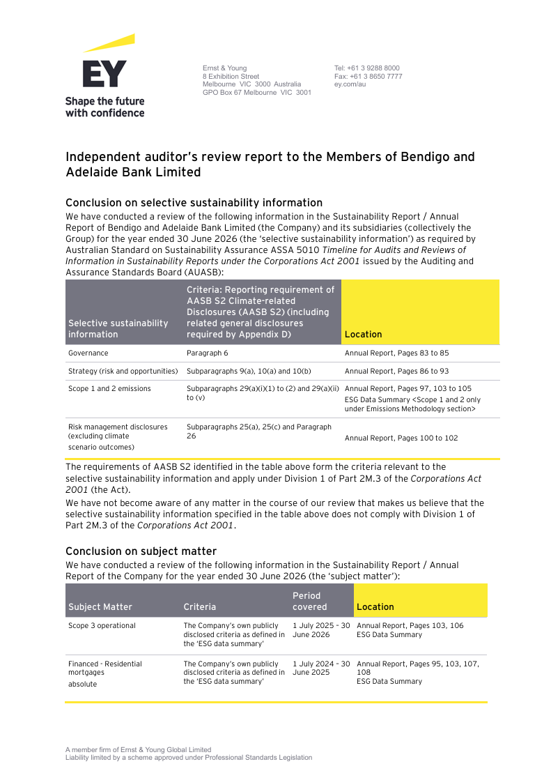
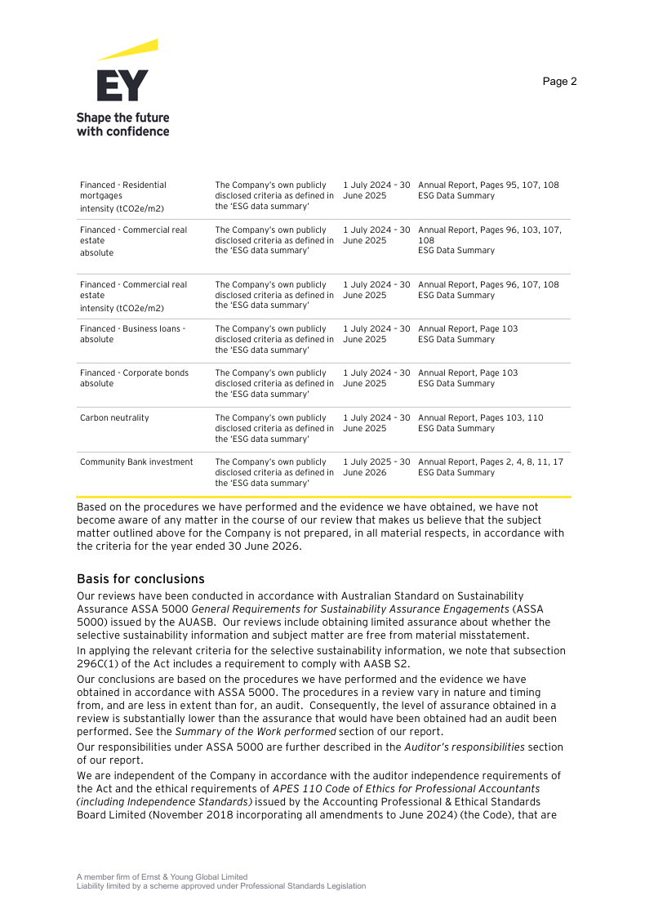
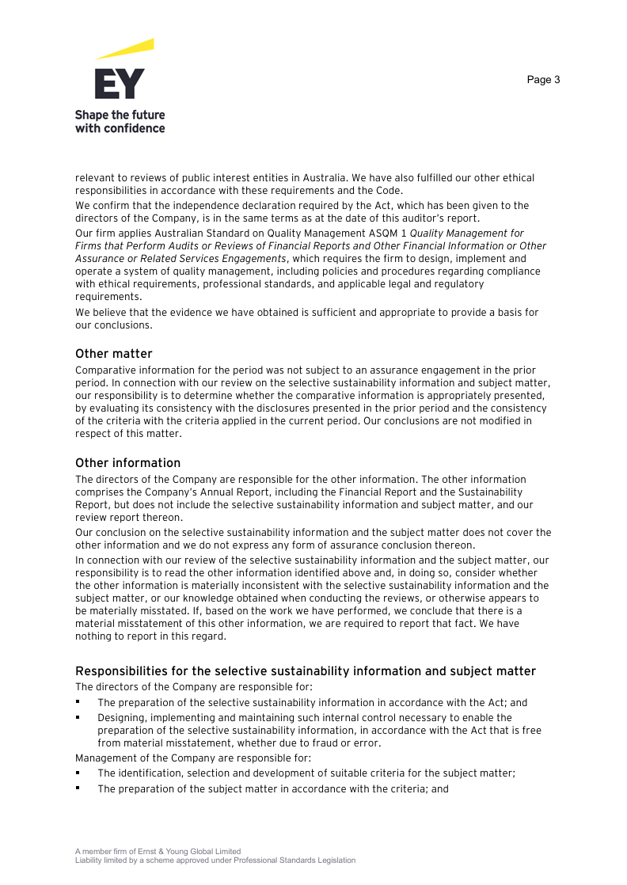
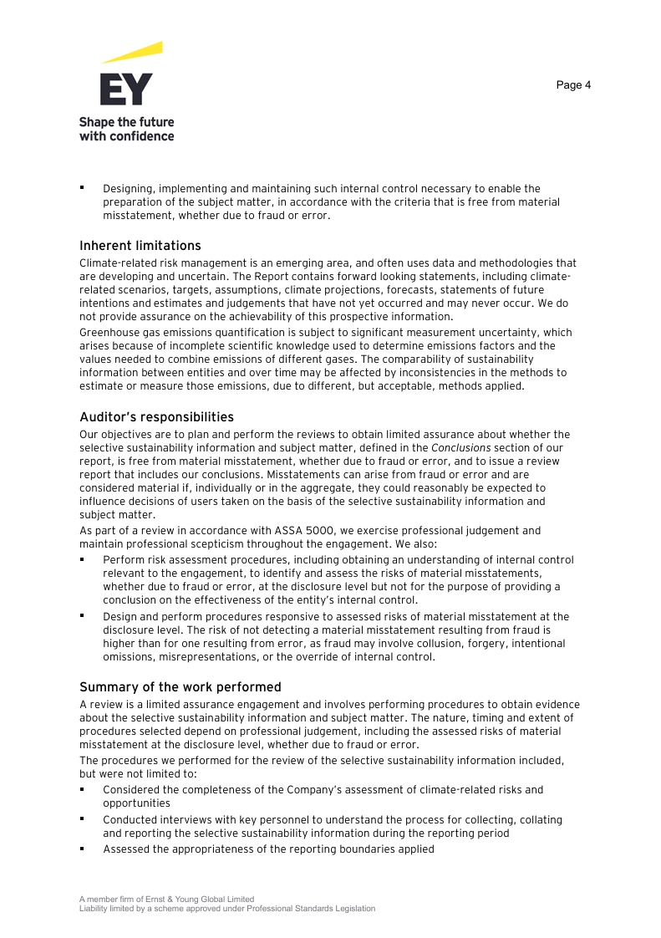
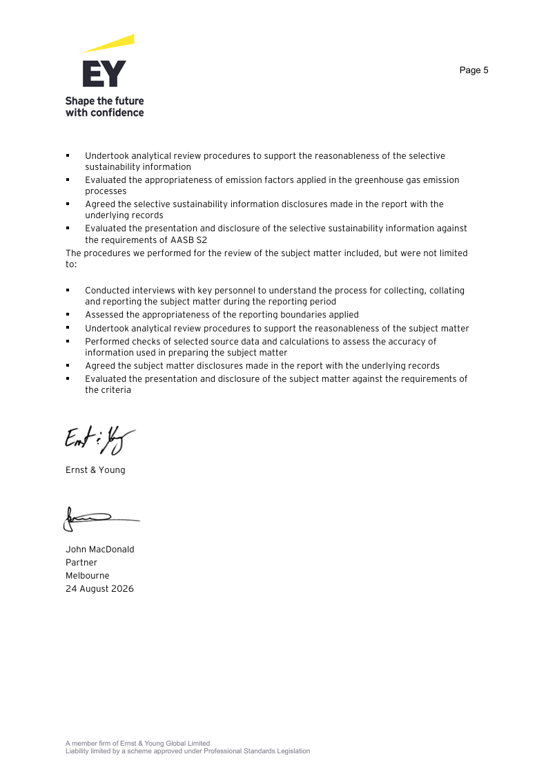
Home

Assurance Statement

